Sheet2
 | USE with BatchNormalization

 | large + small 3 intents |  | train | validation
data |  | new: | 1295 | 327
 |  | unkknow: | 426 | 109
 |  | update: | 3900 | 980
acc | 82.55%
time | 150.8(s)
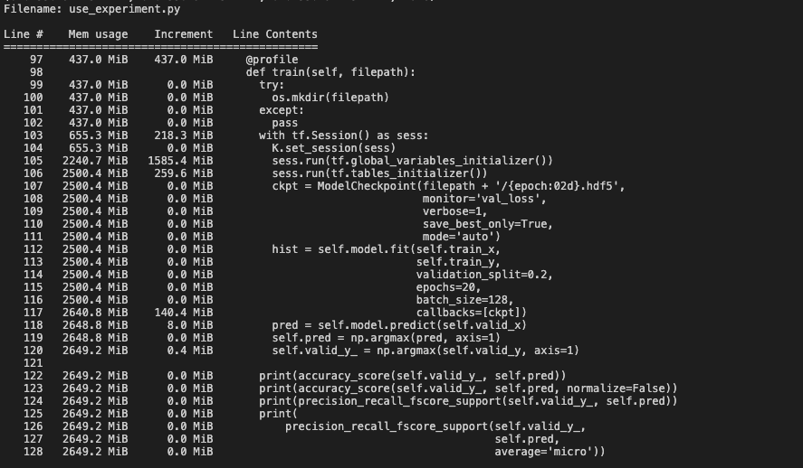
memory

